Bug report4
Summary: | Form on automation-practice-form page on demoqa.com "Subjects" input field is not working
Description: | When user enters demoqa.com, and goes to forms and click on practice forms button and start to fill up the form, the "Subjects" input field will not accept any content when user clicks anywhere else, and remove focus from that input.
Steps to reproduce: | Open Mozilla Firefox
 | Go to the following URL "https://demoqa.com/"
 | Click on Forms button and go to the Forms page
 | Click on Practice form button
 | Fill up the form
 | Fill the "Subjects" input
 | Click on the next field or anywhere else on the page
Expected result: | Clickin on the next field or anywhere else leaves the content in the "Subjects" field written.
Actual result: | Clicking on the next field or anywhere else on the page deletes the content from the input field "Subjects"
Priority: | Light
Severity: | Low
Repro rate: | 15%
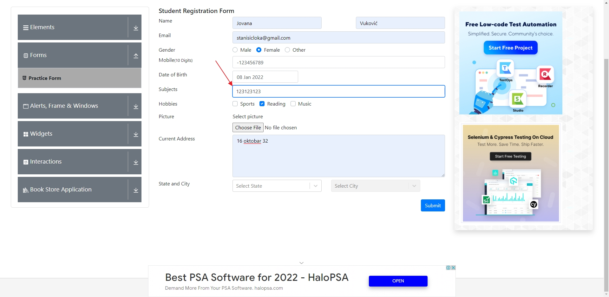
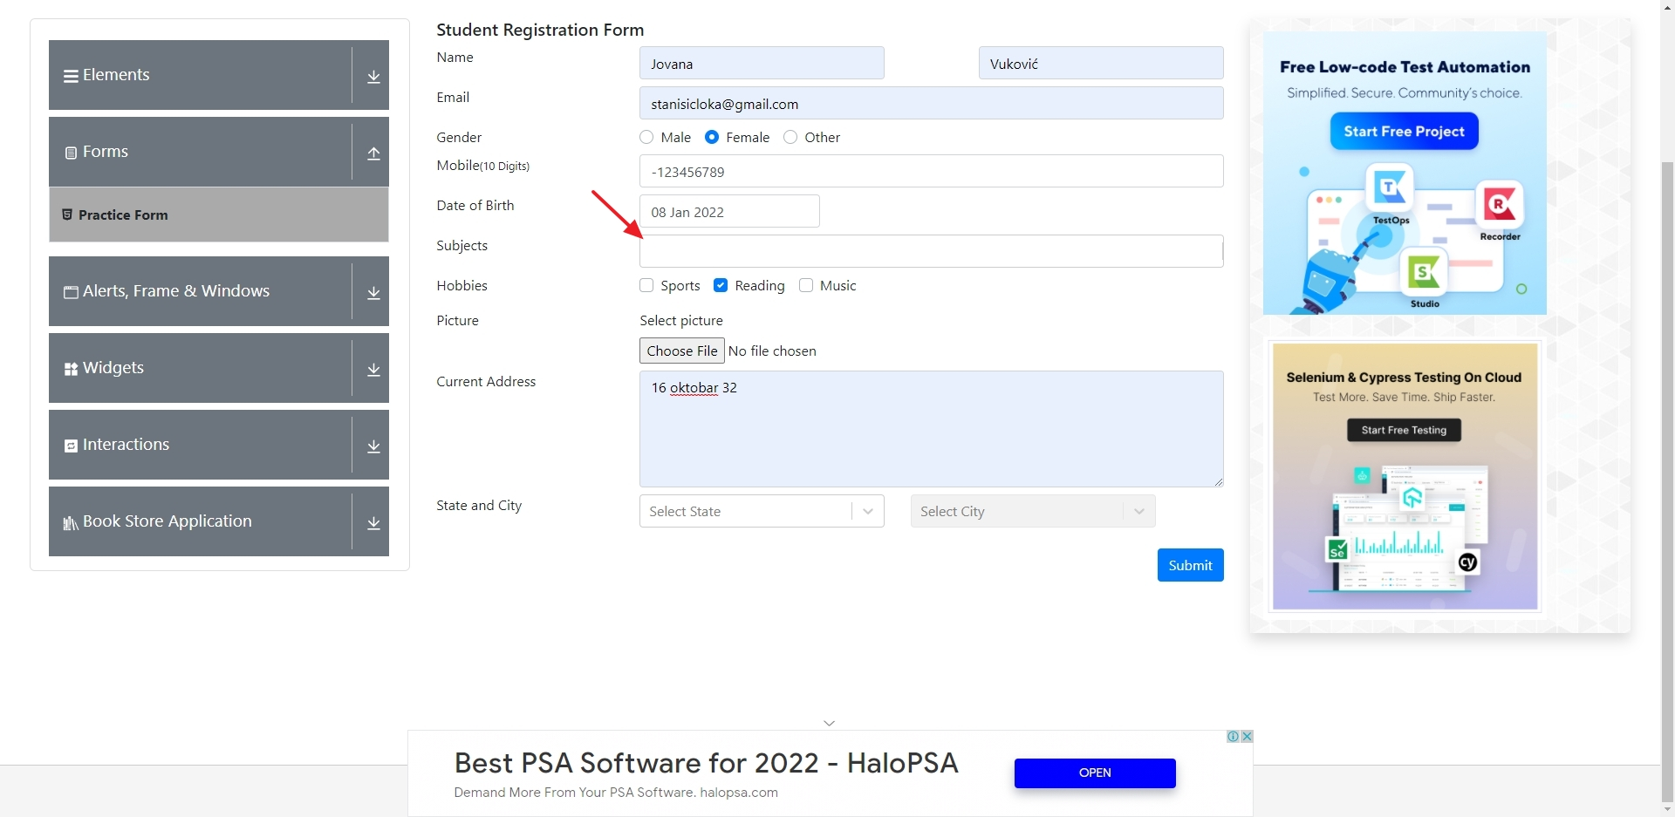
Screenshot:

Bug report3
Summary: | Sidebar buttons accordian icon misalignement
Description: | When user enters demoqa.com, and goes to elements page, the buttons in the sidebar have icons for opening accordian that are misaligned
Steps to reproduce: | Open Mozilla Firefox
 | Go to the following URL "https://demoqa.com/"
 | Click on Elements button and go to the elements page
Expected result: | All icons for opening accordian in the sidebar should have same padding around them
Actual result: | Icons look misaligned, they have more padding on their left side.
Priority: | Light
Severity: | Low
Repro rate: | 1%
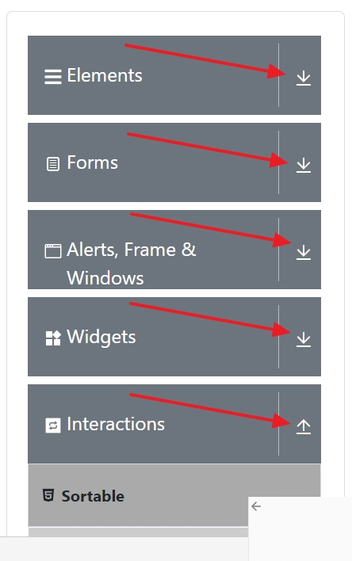
Screenshot:

Bug report2
Summary: | Alerts, Frame & Windows button title alignement
Description: | When user enters demoqa.com and goes to elements page on smaller screens, like a 16" laptop, the Alerts, Frame & Winwows button gets misaligned.
Steps to reproduce: | Open Mozilla Firefox
 | Go to the following URL "https://demoqa.com/"
 | Click on Elements button and go to the elements page
Expected result: | All buttons in the sidebar should have same padding around the text
Actual result: | Alerts, Frame & Windows button title is misaligned
Priority: | Light
Severity: | Low
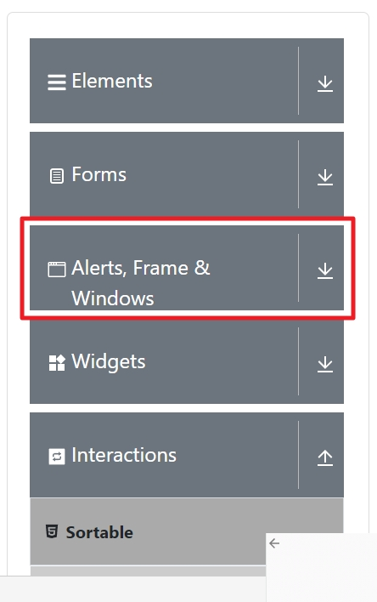
Repro rate: | 1%
Screenshot:

Bug report
Summary: | User can submit a "Text box" form using an invalid "Full name"
Description: | When user goes to the "https://demoqa.com/" website, and fills in all the fields in the "Text box" form and clicks on the "Submit" button ,the "Text box" form will be submited successfully. The problem is that the "Full name" field does not only accept letters, but also numbers. This means that if user enters "12345" in that field insted of valid full name, the "Text box" form will be successfully submited with an invalid full name.
Steps to reproduce:
 | Open Mozilla Firefox
 | Go to the following URL "https://demoqa.com/"
 | From the dropdown list "Elements" select the "Text box" field
 | Click on "Full name" field
 | Input invalid "Full Name" (Example: "12345")
 | Click on "Email" field
 | Input valid "Email" (Example: "stanisicloka@gmail.com"
 | Click on "Current Address" field
 | Input valid "Current Address" (Example 16 oktobra 32.")
 | Click on "Permanent Address" field
 | Input valid "Permanent Address" (Example: 16 oktobra 32.)"
 | Click on "Submit" button
Expected result: | "Text box" form cannot be submitted successfully when user enters numbers in field "Full name" | .
Actual result: | The "Text box" form was successfully submitted even though only numbers were entered in the "Full name" field. | .
Priority: | Medium
Severity: | Low
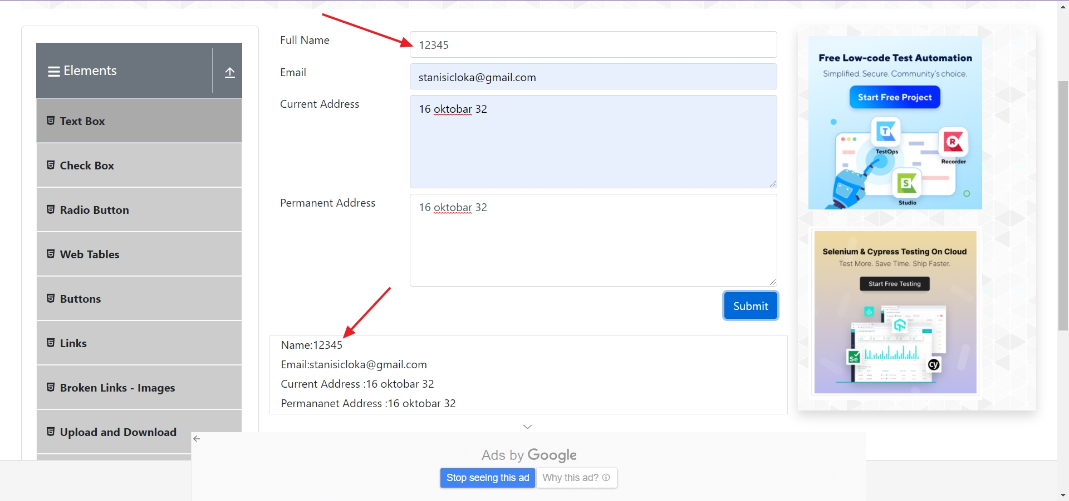
Repro rate: | 10%
Screenshot:

